Full Patient Journey
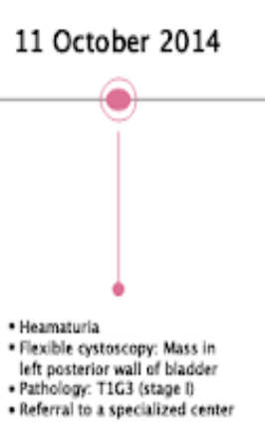

 |  |  | Episode | Overall Disease Episode |  |  |  | Measurement | Tumor Extent | Lymph Nodes | No Distant Metastasis | Grade
 |  |  | episode_id | 1 |  |  |  | measurement_id | 100 | 101 | 102 | 103
 |  |  | episode_concept_id | 32533 (Episode of Care) |  |  |  | person_id
 |  |  | episode_start | 11-Oct-14 |  |  |  | measurement_concept_id | 1538550 (Bladder Cancer pT1 ** Non-Standard) | 1539038 (Bladder Cancer pN0 ** Non-Standard) | 35911973 (No distant metastasis) | 36768762 (Grade 3)
 |  |  | episode_end | 28-Mar-18 |  |  |  | measurement_date | 11-Oct-14 | 11-Oct-14 | 11-Oct-14 | 11-Oct-14
 |  |  | episode_object_concept_id | 44505765 (Carcinoma, NOS, of bladder, NOS) |  |  |  | measurement_type_concept_id | 32535 (Tumor Registry) | 32535 (Tumor Registry) | 32535 (Tumor Registry) | 32535 (Tumor Registry)
 |  |  |  |  |  |  |  | value_as_number
Condition_Occurrence |  |  |  |  | Episode_Event |  |  | measurement_source_value
condition_occurrence_id | 201 | 202 | 203 |  | episode_id | 1 |  | measurement_source_concept_id |  |  |  |  |  |  |  |  | ** Does this link to the Overall Episode??
person_id |  |  |  |  | event_id | 201 |  | value_as_concept_id
condition_concept_id | 44505765 (Carcinoma, NOS, of bladder, NOS) | 437038 (Haematuria) | 4177067 (Mass of urinary bladder) |  | event_table_concept_id | 1147333 (condition_occurrence) |  | value_source_value
condition_start_datetime | 11-Oct-14 | 11-Oct-14 | 11-Oct-14 |  |  |  |  | modifier_of_event_id | 201 | 201 | 201 | 201
condition_type_concept_id | 32535 (Tumor Registry) |  |  |  | Procedure_Occurrence |  |  | modifier_field_concept_id | 1147127 (condition_occurrence.condition_occurrence_id) | 1147127 | 1147127 | 1147127
condition_source_value | 8010/3-C67.9 (ICDO3) | Haematuria | Mass in left posterior wall of Bladder |  | procedure_occurrence_id | 301
condition_source_concept_id | 44505765 (Carcinoma, NOS, of bladder, NOS) |  |  |  | person_id
 |  |  |  |  | procedure_concept_id | 4116796 (Flexible cystoscopy)
 |  |  |  |  | procedure_datetime | 11-Oct-14
 |  |  |  |  | procedure_type_concept_id
 |  |  |  |  |  |  |  |  |  |  |  |  |  |  |  |  |  |  |  |  |  | ** Does this link to the Overall Episode??

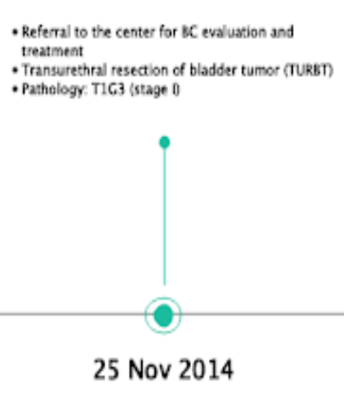
 |  |  |  |  |  |  |  |  | ** Vocab = cancer_modifier
 |  |  | Episode | Treatment | Disease Extent | Disease Dynamic | Disease Dynamic |  | Measurement | Tumor Extent | Lymph Nodes | No Distant Metastasis | Grade | Stage
 |  |  | episode_id | 2 | 3 | 4 | 5 |  | measurement_id | 104 | 105 | 106 | 107 | 108
 |  |  | episode_concept_id | 32939 (Cancer Surgery) | 32942 (Confined Disease) | 32949 (Progression) | 32945 (Remission) |  | person_id
 |  |  | episode_start | 25-Nov-14 | 25 Nov 2014 | 25 Nov 2014 | 25 Nov 2014 |  | measurement_concept_id | 1538550 (Bladder Cancer pT1 ** Non-Standard) | 1539038 (Bladder Cancer pN0 ** Non-Standard) | 35911973 (No distant metastasis) | 36768762 (Grade 3) | 36768296 (Derived SEER Pathological Stage I)
 |  |  | episode_end | 25 Nov 2014 | 15-Feb-16 | 25 Nov 2014 | 5 Dec 2014 |  | measurement_date | 25-Nov-14 | 25-Nov-14 | 25-Nov-14 | 25-Nov-14 | 25-Nov-14
 |  |  | episode_number |  |  |  |  |  | measurement_type_concept_id | 32535 (Tumor Registry) | 32535 (Tumor Registry) | 32535 (Tumor Registry) | 32535 (Tumor Registry) | 32535 (Tumor Registry)
 |  |  | episode_Object_concept_id | 4305077 (Transurethral resection of bladder neoplasm) | ?? | ?? | ?? |  | value_as_number
 |  |  |  |  |  |  |  |  | measurement_source_value
 |  |  |  |  |  |  |  |  | measurement_source_concept_id | 36768296 (Derived SEER Pathological Stage I) | 36768296 (Derived SEER Pathological Stage I) | 36768296 (Derived SEER Pathological Stage I) | 36768296 (Derived SEER Pathological Stage I) | 36768296 (Derived SEER Pathological Stage I)
 |  |  |  | Episode_Event |  |  |  |  | value_as_concept_id
 |  |  |  | episode_id | 1 (Overall Disease Episode) | 2 |  |  | value_source_value
 |  |  |  | event_id | 204 | 302 |  |  | modifier_of_event_id | 204 | 204 | 204 | 204 | 204
 |  |  |  | event_table_concept_id | 1147333 (condition_occurrence) | 1147301 (procedure_occurrence) |  |  | modifier_field_concept_id | 1147127 (condition_occurrence.condition_occurrence_id) | 1147127 (condition_occurrence.condition_occurrence_id) | 1147127 (condition_occurrence.condition_occurrence_id) | 1147127 (condition_occurrence.condition_occurrence_id) | 1147127 (condition_occurrence.condition_occurrence_id)
 |  |  |  |  |  |  |  |  |  |  |  |  |  |  |  |  |  |  | ** Does the link to the first condition_occurrence record on Oct 11 2014??
 |  |  | Procedure_Occurrence |  |  | Condition_Occurrence
 |  |  | procedure_occurrence_id | 302 |  | condition_occurrence_id | 204
 |  |  | person_id |  |  | person_id
 |  |  | procedure_concept_id | 4305077 (Transurethral resection of bladder neoplasm) |  | condition_concept_id | 44505765 (Carcinoma, NOS, of bladder, NOS)
 |  |  | procedure_datetime | 25-Nov-14 |  | condition_start_datetime | 25-Nov-14
 |  |  | procedure_type_concept_id |  |  | condition_type_concept_id | 32535 (Tumor Registry)
 |  |  |  |  |  | condition_source_value | 8010/3-C67.9 (ICDO3)
 |  |  |  |  |  | condition_source_concept_id | 44505765 (Carcinoma, NOS, of bladder, NOS)

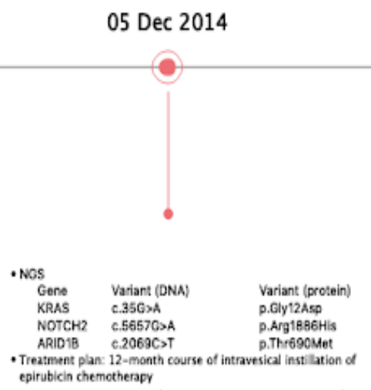
 |  |  |  |  | ** 24 Treatment Cycles for 12 month course of epirubicin chemo deliveries every 2 weeks
 |  |  | Episode | Treatment | Treatment Cycle 1 | Treatment Cycle 2 |  | Measurement | NGS Panel (Transcript Variant) | NGS Panel (Transcript Variant) | NGS Panel (Transcript Variant)
 |  |  | episode_id | 6 | 7 | 8 |  | measurement_id | 109 | 110 | 111
 |  |  | episode_concept_id | 32531 (Treatment Regimen) | 32532 (Treatment Cycle) | 32532 (Treatment Cycle) |  | person_id
 |  |  | episode_start | 5-Dec-14 | 5-Dec-14 | 29-Dec-14 |  | measurement_concept_id | 35989679 (Variant of KRAS transcript: Substitution in position 35 of G replaced by A) | 35991687 (Variant of NOTCH1 transcript: Substitution in position 5115 of G replaced by A) | 35946807 (ARID1B (AT-rich interaction domain 1B) Variant)
 |  |  | episode_end | 4-Dec-15 | 29-Dec-14 | 15-Jan-15 |  | measurement_date | 2014-12-05 | 2014-12-05 | 2014-12-05
 |  |  | episode_number |  |  |  |  | measurement_type_concept_id
 |  |  | episode_object_concept_id | 35804228 (Epirubicin monotherapy; Domain = Regimen; Vocab = HemOnc) | 35804228 (Epirubicin monotherapy; Domain = Regimen) | 35804228 (Epirubicin monotherapy; Domain = Regimen) |  | value_as_number
 |  |  | episode_parent_id |  | 14 | 14 |  | measurement_source_value | NM_004985:c.35G>A | NM_017617:c.5115G>A | 18040
 |  |  | episode_number |  | 1 | 2 |  | measurement_source_concept_id | 35989679 (Variant of KRAS transcript: Substitution in position 35 of G replaced by A) | 35991687 (Variant of NOTCH1 transcript: Substitution in position 5115 of G replaced by A) | 35946807 (ARID1B (AT-rich interaction domain 1B) Variant)
 |  |  |  |  |  |  |  | value_as_concept_id |  | ?? (Variant of NOTCH2 transcript: Substitution in position 5657 of G replaced by A) | ?? (Variant of ARID1B transcript: Substitution in position 2069 of C replaced by T)
 |  |  | Episode_Event |  |  |  |  | value_source_value |  | ?? | ??
 |  |  | episode_id | 1 (Overall Disease Episode) | 14 |  |  | modifier_of_event_id | 204 | 204 | 204
 |  |  | event_id | 205 | 401 |  |  | modifier_field_concept_id | 1147127 (condition_occurrence.condition_occurrence_id) | 1147127 | 1147127
 |  |  | event_table_concept_id | 1147333 (condition_occurrence) | 1147339 (drug_exposure)

 | Drug_Exposure |  |  | Condition_Occurrence
 | drug_exposure_id | 401 |  | condition_occurrence_id | 205
 | person_id |  |  | person_id
 | drug_concept_id | 40038908 (epirubicin Irrigation Solution) |  | condition_concept_id | 44505765 (Carcinoma, NOS, of bladder, NOS)
 | drug_exposure_start_datetime | 5-Dec-14 |  | condition_start_datetime | 5-Dec-14
 | drug_type_concept_id | 32838 (EHR prescription) |  | condition_type_concept_id | 32535 (Tumor Registry)
 | drug_source_value |  |  | condition_source_value | 8010/3-C67.9 (ICDO3)
 | drug_source_concept_id |  |  | condition_source_concept_id | 44505765 (Carcinoma, NOS, of bladder, NOS)

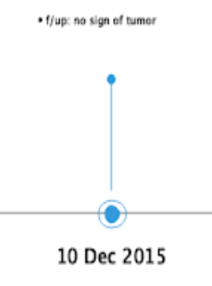
 |  |  | Episode | Disease Dynamic |  | Measurement | No residual tumor
 |  |  | episode_id | 19 |  | measurement_id | 112
 |  |  | episode_concept_id | 32946 (Remission Complete) |  | person_id
 |  |  | episode_start | 10-Dec-15 |  | measurement_concept_id | 36769205
 |  |  | episode_end | 8 Jan 2016 |  | measurement_date | 10-Dec-15
 |  |  | episode_number |  |  | measurement_type_concept_id
 |  |  | episode_object_concept_id | 44505765 (Carcinoma, NOS, of bladder, NOS) |  | value_as_number
 |  |  |  |  |  | measurement_source_value
 |  |  |  |  |  | measurement_source_concept_id
 |  |  |  |  |  | value_as_concept_id |  |  |  |  |  |  | ** No sign of cancer - cancer modifier or condition_occurrence
 |  |  |  |  |  | value_source_value
 |  |  |  |  |  | modifier_of_event_id | 206
 | Condition_Occurrence |  |  |  |  | modifier_field_concept_id
 | condition_occurrence_id | 206
 | person_id |  |  | Episode_Event
 | condition_concept_id | Concept ID for 'No sign of tumor' |  | episode_id | 1 (Overall Disease Episode)
 | condition_start_datetime | 25-Nov-14 |  | event_id | 206
 | condition_type_concept_id | 32535 (Tumor Registry) |  | event_table_concept_id | 1147333 (condition_occurrence)
 | condition_source_value | No sign of tumor
 | condition_source_concept_id | Concept ID for 'No sign of tumor'

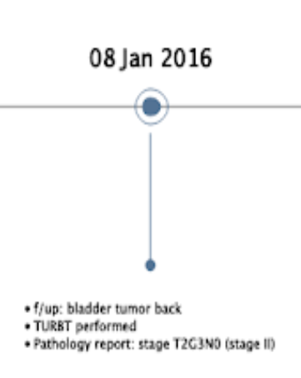
 |  |  | Episode | Treatment | Disease Dynamic | Disease Dynamic |  | Measurement | Tumor Extent (T2) | Lymph Nodes (N0) | Grade (G3) | Stage
 |  |  | episode_id | 20 | 21 | 22 |  | measurement_id | 113 | 114 | 115 | 116
 |  |  | episode_concept_id | 32939 (Cancer Surgery) | 32946 (Progression) | 32945 (Remission) |  | person_id
 |  |  | episode_start | 8 Jan 2016 | 8 Jan 2016 | 8 Jan 2016 |  | measurement_concept_id | 1539294 (Bladder Cancer pT2 TNM Finding by AJCC/UICC 8th edition ** Non-Standard) | 1539038 (Bladder Cancer pN0 TNM Finding by AJCC/UICC 8th edition ** Non-Standard) | 36768762 (Grade 3) | 36768929 (Derived SEER Pathological Stage II)
 |  |  | episode_end | 8 Jan 2016 | 8 Jan 2016 | 15-Feb-16 |  | measurement_date | 8-Jan-16 | 8-Jan-16 | 8-Jan-16 | 8-Jan-16
 |  |  | episode_number |  |  |  |  | measurement_type_concept_id
 |  |  | episode_object_concept_id | 4305077 (Transurethral resection of bladder neoplasm) |  |  |  | value_as_number
 |  |  |  |  |  |  |  | measurement_source_value
 |  |  |  | Episode_Event |  |  |  | measurement_source_concept_id
 |  |  |  | episode_id | 1 (Overall Disease Episode) | 20 |  | value_as_concept_id
 |  |  |  | event_id | 207 | 303 |  | value_source_value
 |  |  |  | event_table_concept_id | 1147333 (condition_occurrence) | 1147301 (procedure_occurrence) |  | modifier_of_event_id | 207 | 207 | 207 | 207
 |  |  |  |  |  |  |  | modifier_field_concept_id

 | Condition_Occurrence |  |  | Procedure_Occurrence
 | condition_occurrence_id | 207 |  | procedure_occurrence_id | 303
 | person_id |  |  | person_id
 | condition_concept_id | 4200889 (Local recurrence of malignant tumor of urinary bladder) |  | procedure_concept_id | 4305077 (Transurethral resection of bladder neoplasm)
 | condition_start_datetime | 8 Jan 2016 |  | procedure_datetime | 8 Jan 2016
 | condition_type_concept_id | 32535 (Tumor Registry) |  | procedure_type_concept_id
 | condition_source_value
 | condition_source_concept_id

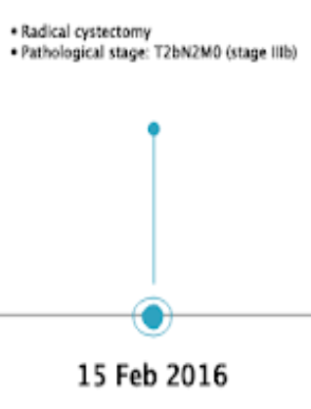
 |  | Episode | Surgery | Disease Extent | Disease Dynamic | Disease Dynamic |  | Measurement | Tumor Extent | Lymph Node Spread (N2) | distant metastases (M0) | Stage (IIIb)
 |  | episode_id | 23 | 24 | 25 | 26 |  | measurement_id | 117 | 118 | 119 | 120
 |  | episode_concept_id | 32939 (Cancer Surgery) | 32943 (Invasive Disease) | 32949 (Progression) | 32945 (Remission) |  | person_id
 |  | episode_start | 15-Feb-16 | 15-Feb-16 | 15-Feb-16 | 15-Feb-16 |  | measurement_concept_id | 1538109 (Bladder Cancer pT2b ** Non-Standard) | 1539341 (Bladder Cancer pN2 TNM Finding by AJCC/UICC 8th edition ** Non-Standard) | 1538871 (Bladder Cancer cM0 TNM Finding by AJCC/UICC 8th edition) | 36768218 (Pathological Stage Group IIIB)
 |  | episode_end | 15-Feb-16 | 2-Feb-17 | 15-Feb-16 | 15-Mar-16 |  | measurement_date | 15-Feb-16 | 15-Feb-16 | 15-Feb-16 | 15-Feb-16
 |  | episode_number |  |  |  |  |  | measurement_type_concept_id
 |  | episode_object_concept_id | 35916764 (Bladder@Simple/total/complete cystectomy) |  |  |  |  | value_as_number
 |  |  |  |  |  |  |  | measurement_source_value
 |  |  |  | Episode_Event |  |  |  | measurement_source_concept_id
 |  |  |  | episode_id | 1 (Overall Disease Episode) | 23 |  | value_as_concept_id
 |  |  |  | event_id | 208 | 304 |  | value_source_value
 |  |  |  | event_table_concept_id | 1147333 (condition_occurrence) | 1147301 (procedure_occurrence) |  | modifier_of_event_id | 208 | 208 | 208 | 208
 |  |  |  |  |  |  |  | modifier_field_concept_id
 |  |  |  | Condition_Occurrence
 |  |  |  | condition_occurrence_id | 208 |  | Procedure_Occurrence
 |  |  |  | person_id |  |  | procedure_occurrence_id | 304
 |  |  |  | condition_concept_id | 44505765 (Carcinoma, NOS, of bladder, NOS) |  | person_id
 |  |  |  | condition_start_datetime | 15-Feb-16 |  | procedure_concept_id | 4273866 (Radical cystectomy)
 |  |  |  | condition_type_concept_id | 32535 (Tumor Registry) |  | procedure_datetime | 15-Feb-16
 |  |  |  | condition_source_value | 8010/3-C67.9 (ICDO3) |  | procedure_type_concept_id
 |  |  |  | condition_source_concept_id | 44505765 (Carcinoma, NOS, of bladder, NOS)
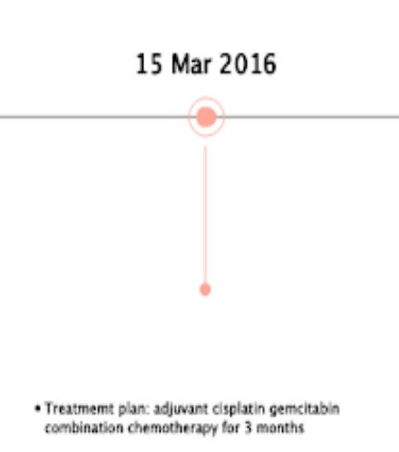

 |  |  | Episode | Treatment | Treatment Cycle 1 | Treatment Cycle 1 | Treatment Cycle 1 |  | Drug_Exposure
 |  |  | episode_id | 27 | 28 | 29 | 30 |  | drug_exposure_id | 402 | 403 | 404 | 405 | 406 | 407 | 408 | 409 | 410 | 411 | 412 | 413
 |  |  | episode_concept_id | 32531 (Treatment Regimen) | 32532 (Treatment Cycle) | 32532 (Treatment Cycle) | 32532 (Treatment Cycle) |  | person_id
 |  |  | episode_start | 15-Mar-16 | 15-Mar-16 | 15-Mar-16 | 15-Mar-16 |  | drug_concept_id | 1397599 (Cisplatin) | 1314924 (Gemcitabine) | 1314924 (Gemcitabine) | 1314924 (Gemcitabine) | 1397599 (Cisplatin) | 1314924 (Gemcitabine) | 1314924 (Gemcitabine) | 1314924 (Gemcitabine) | 1397599 (Cisplatin) | 1314924 (Gemcitabine) | 1314924 (Gemcitabine) | 1314924 (Gemcitabine)
 |  |  | episode_end | 14-Jun-16 | 14-Jun-16 | 14-Jun-16 | 14-Jun-16 |  | drug_exposure_start_datetime | 15-Mar-16 | 15-Mar-16 | 23-Mar-16 | 30-Mar-16 | 13-Apr-16 | 13-Apr-16 | 21-Apr-16 | 28-Apr-16 | 12-May-16 | 12-May-16 | 20-May-16 | 28-May-16
 |  |  | episode_number |  | 1 | 2 | 3 |  | drug_type_concept_id
 |  |  | episode_object_concept_id | 35803575 (Cisplatin and Gemcitabine) | 35803575 (Cisplatin and Gemcitabine) | 35803575 (Cisplatin and Gemcitabine) | 35803575 (Cisplatin and Gemcitabine) |  | drug_source_value
 |  |  | episode_parent_id |  | 27 | 27 | 27 |  | drug_source_concept_id

 | Episode_Event
 | episode_id | 28 | 28 | 28 | 28 | 29 | 29 | 29 | 29 | 30 | 30 | 30 | 30
 | event_id | 402 | 403 | 404 | 405 | 406 | 407 | 408 | 409 | 410 | 411 | 412 | 413
 | event_table_concept_id | 1147339 (drug_exposure) | 1147339 (drug_exposure) | 1147339 (drug_exposure) | 1147339 (drug_exposure) | 1147339 (drug_exposure) | 1147339 (drug_exposure) | 1147339 (drug_exposure) | 1147339 (drug_exposure) | 1147339 (drug_exposure) | 1147339 (drug_exposure) | 1147339 (drug_exposure) | 1147339 (drug_exposure)

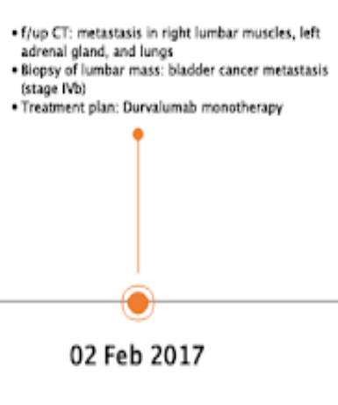
 |  |  | Episode | Treatment | Disease Extent | Disease Dynamic |  | Measurement | Stage | Lung | Adrenal Gland | Right Lumbar Muscle
 |  |  | episode_id | 31 | 32 | 33 |  | measurement_id | 121 | 122 | 123 | 124
 |  |  | episode_concept_id | 32531 (Treatment Regimen) | 32944 (Metastatic Disease) | 32949 (Progression) |  | person_id
 |  |  | episode_start | 2-Feb-17 | 2-Feb-17 | 2-Feb-17 |  | measurement_concept_id | 36769565 (Pathological Stage Group IVB) | 36770283 (Lung) | 4164018 (Distant metastasis) | 4164018 (Distant metastasis)
 |  |  | episode_end | 18-Feb-17 | 28-Mar-18 | 2-Feb-17 |  | measurement_date | 2-Feb-17 | 2-Feb-17 | 2-Feb-17 | 2-Feb-17
 |  |  | episode_number |  |  |  |  | measurement_type_concept_id
 |  |  | episode_object_concept_id | 35804164 (Durvalumab monotherapy) |  |  |  | value_as_number
 |  |  |  |  |  |  |  | measurement_source_value |  | Lung | Left adrenal gland | Right Lumbar Muscle
 |  |  |  | Episode_Event |  |  |  | measurement_source_concept_id
 |  |  |  | episode_id | 1 (Overall Disease Episode) | 31 |  | value_as_concept_id
 |  |  |  | event_id | 209 | 305 |  | value_source_value
 |  |  |  | event_table_concept_id | 1147333 (condition_occurrence) | 1147301 (procedure_occurrence) |  | modifier_of_event_id | 209 | 209 | 209 | 209
 |  |  |  |  |  |  |  | modifier_field_concept_id
 |  |  |  |  | Condition_Occurrence
 | Procedure_Occurrence |  |  |  | condition_occurrence_id | 209
 | procedure_occurrence_id | 305 | 306 |  | person_id
 | person_id |  |  |  | condition_concept_id | 44505765 (Carcinoma, NOS, of bladder, NOS)
 | procedure_concept_id | 4311405 (Biopsy) | 4180642 (CT of site) |  | condition_start_datetime | 2-Feb-17
 | procedure_datetime | 2-Feb-17 | 2-Feb-17 |  | condition_type_concept_id | 32535 (Tumor Registry)
 | procedure_type_concept_id |  |  |  | condition_source_value | 8010/3-C67.9 (ICDO3)
 |  |  |  |  | condition_source_concept_id | 44505765 (Carcinoma, NOS, of bladder, NOS)

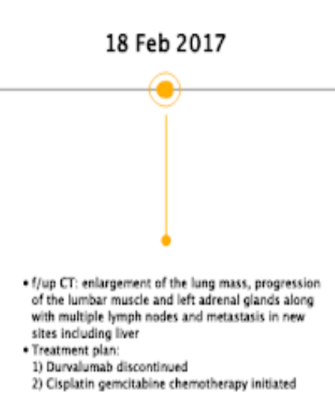
 |  |  | Episode | Treatment | Disease Dynamic |  |  | Measurement | Liver
 |  |  | episode_id | 34 | 35 |  |  | measurement_id | 125
 |  |  | episode_concept_id | 32531 (Treatment Regimen) | 32949 (Progression) |  |  | person_id
 |  |  | episode_start | 18-Feb-17 | 18-Feb-17 |  |  | measurement_concept_id | 36770544 (Liver metastasis)
 |  |  | episode_end | 28-Mar-18 | 18-Feb-17 |  |  | measurement_date | 18-Feb-17
 |  |  | episode_number |  |  |  |  | measurement_type_concept_id
 |  |  | episode_object_concept_id | 35803575 (Cisplatin and Gemcitabine) // Concept from Domain 'Regimen' for Drugs. For 'non-drugs' (radiotherapy, surgery) domain is 'Procedure'. Another option is to put RT and Surgeries in 'Regimen' domain well. Rename 'Regimen' to 'Cancer Treatment'. Propose to Jeremy. |  |  |  | value_as_number
 |  |  |  |  |  |  |  | measurement_source_value
 |  |  | Episode_Event |  |  |  |  | measurement_source_concept_id
 |  |  | episode_id | 1 (Overall Disease Episode) | 34 | 34 |  | value_as_concept_id
 |  |  | event_id | 210 | 414 | 415 |  | value_source_value
 |  |  | event_table_concept_id | 1147333 (condition_occurrence) | 1147339 (drug_exposure) | 1147339 (drug_exposure) |  | modifier_of_event_id | 210
 |  |  |  |  |  |  |  | modifier_field_concept_id
 | ** Period of Chemo not specificed. Should it be assumed this death
 | Drug_Exposure |  |  |  | Condition_Occurrence |  |  | Procedure_Occurrence
 | drug_exposure_id | 414 | 415 |  | condition_occurrence_id | 210 |  | procedure_occurrence_id | 306
 | person_id |  |  |  | person_id |  |  | person_id
 | drug_concept_id | 1397599 (Cisplatin and ) | 1314924 (Gemcitabine) |  | condition_concept_id | 44505765 (Carcinoma, NOS, of bladder, NOS) |  | procedure_concept_id | 4180642 (CT of site)
 | drug_exposure_start_datetime | 18-Feb-17 | 18-Feb-17 |  | condition_start_datetime | 18-Feb-17 |  | procedure_datetime | 18-Feb-17
 | drug_type_concept_id |  |  |  | condition_type_concept_id | 32535 (Tumor Registry) |  | procedure_type_concept_id
 | drug_source_value |  |  |  | condition_source_value | 8010/3-C67.9 (ICDO3)
 | drug_source_concept_id |  |  |  | condition_source_concept_id | 44505765 (Carcinoma, NOS, of bladder, NOS)

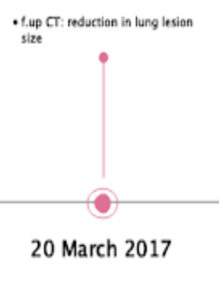
 |  |  |  |  |  |  |  | * Is this Measurement record needed?
 |  | Episode Class | Disease Dynamic |  | Condition_Occurrence |  |  | Measurement | Lung Lesion
 |  | episode_id | 36 |  | condition_occurrence_id | 211 |  | measurement_id | 126
 |  | episode_concept_id | 32945 (Remission) |  | person_id |  |  | person_id
 |  | episode_start | 20-Mar-17 |  | condition_concept_id | Concept ID for 'reduction in lung lesion size' |  | measurement_concept_id | Concept ID for reduction in size ** Similar to Liver Metastasis above
 |  | episode_end | 28-Mar-18 |  | condition_start_datetime | 20-Mar-17 |  | measurement_date | 20-Mar-17
 |  | episode_number |  |  | condition_type_concept_id | 32535 (Tumor Registry) |  | measurement_type_concept_id
 |  |  |  |  | condition_source_value | reduction in lung lesion size |  | value_as_number
 |  | Procedure_Occurrence |  |  | condition_source_concept_id | Concept ID for 'reduction in lung lesion size' |  | measurement_source_value
 |  | procedure_occurrence_id | 307 |  |  |  |  | measurement_source_concept_id
 |  | person_id |  |  | Episode_Event |  |  | value_as_concept_id
 |  | procedure_concept_id | 4180642 (CT of site) |  | episode_id | 1 (Overall Disease Episode) |  | value_source_value
 |  | procedure_datetime | 20-Mar-17 |  | event_id | 211 |  | modifier_of_event_id | 211
 |  | procedure_type_concept_id |  |  | event_table_concept_id | 1147333 (condition_occurrence) |  | modifier_field_concept_id

